Guidance
Welcome,

This file is designed to present a summary of the audit certification, an overview of the audit findings ("Overview audit findings") and the internal control observations ("Internal control observations").
The Result Overview should be used to file the finding of the auditor. We expect all findings and observations as outlined in the audit report to be included, i.e. findings on the FINREP, COREP, COREP LE, but also the observations on the internal control of the reporting proces ("Internal control observations"). The findings in the Result Overview should be stand-alone readable. Please do not change the format.
Based on the print screens below, guidance is presented.
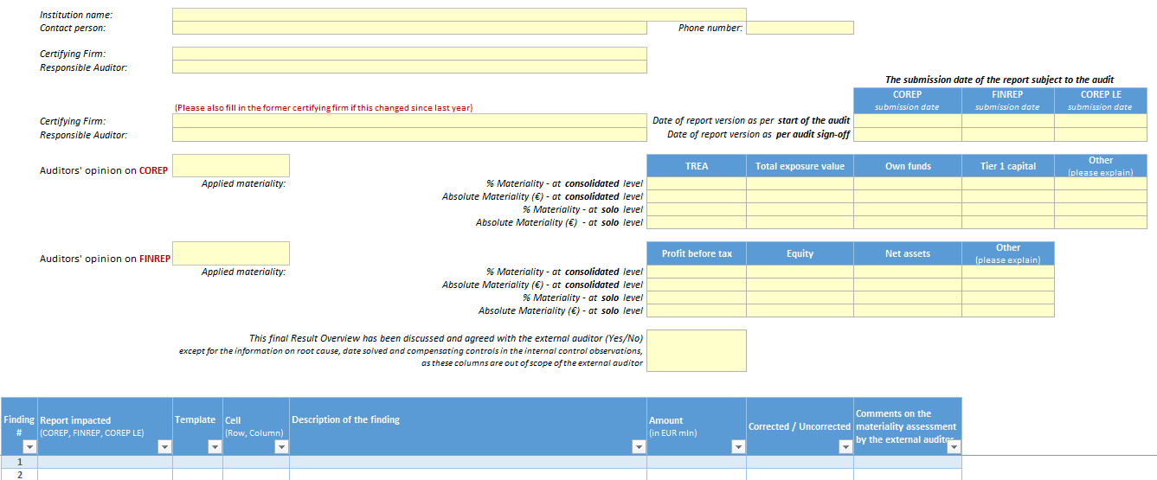
Overview audit findings
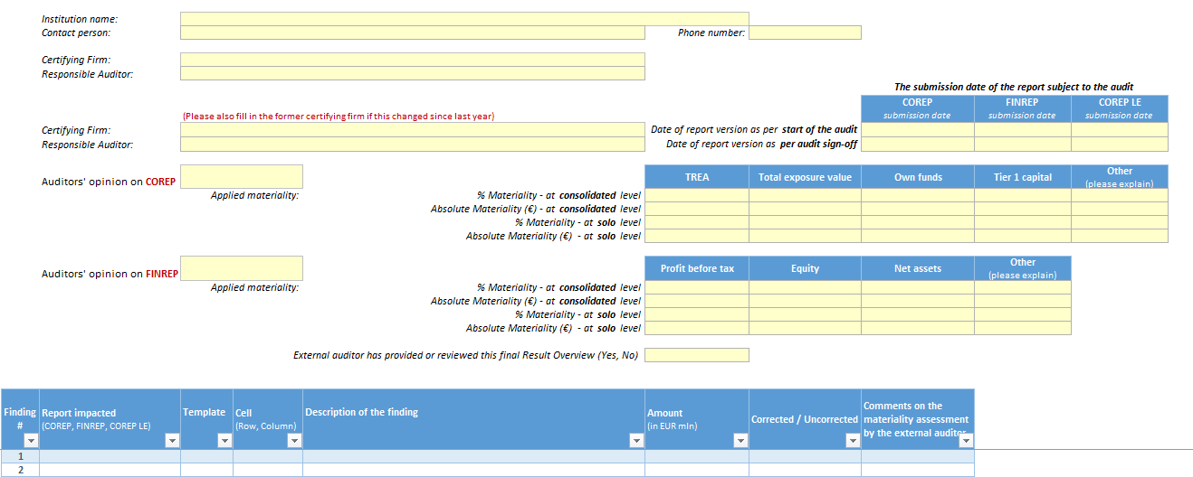

Institution name | = Name of the reporting institution
Contact person | = Name of the person at the institution that can be contacted for any questions
Phone number | = The phone number of the contact person during working hours
Certifying Firm | = Name of the certifying auditors' firm
Responsible Auditor | = Name of the responsible auditor
Date of report version as per start of the audit | = The submission date of the (COREP/FINREP/COREP LE) report to DNB that has been taken as starting point of the external audit
Date of report version as per audit sign-off | = The submission date of the (COREP/FINREP/COREP LE) report to DNB that has been signed-off by the external auditor
Auditors' opinion | = Opinion of the auditor about the COREP / FINREP report

Applied Materiality | = Materiality Thresholds applied by the auditor for certifying the COREP and FINREP (and concluding on the auditors' opinion).
 | Please report all applicable materiality measures (e.g. TREA) and leave those that are not applicable empty
% Materiality | = The % materiality threshold applied for certifying the COREP and FINREP report, both for the consolidated and solo report
Absolute Materiality(€) | = The absolute materiality threshold applied for certifying the COREP and FINREP report, both for the consolidated and solo report. Report in EUR.

This final Result Overview has been discussed | = This field indicates whether the Result Overview has been discussed and agreed with the external auditor ("Yes"), otherwise "No".
and agreed with the external auditor (Yes, No) | The scope of the Result Overview that is discussed and agreed with the external auditor excludes the information on the root cause, date solved and compensating controls in the internal control observations (as these columns are out of scope of the external auditor)

Finding nr. | = Automatic row number
Report impacted | = Outlining the name of the report (COREP, COREP LE or FINREP) the finding relates to
Template | = Template code in the report the finding relates to
Cell | = The cell in the report the finding relates to. Please indicate this by the row and the column
Description of the finding | = Auditors' description of the finding. This should be stand-alone readable.
Corrected / Uncorrected | = Corrected if the finding is solved in the report submitted to DNB and Uncorrected if the finding is still in the report
Amount | = The impact amount of the finding. Report in EUR mln.
Comments on the materiality assessment | = The comments by the auditor on the materiality assessment in order to evaluate the supervisory impact. Illustrative auditor’s comments are for instance:
 | - the application of alternative materiality limits on subschedules,
 | - the divergence of impact between consolidated/sub-consolidated or solo reporting,
 | - the relation with limitations in audit scope or auditors opinion,
 | - references to the auditor’s (long) report and any other comments deemed useful by the auditor

Internal control observations

Observation nr. | = Automatic row number
Report impacted | = Outlining the name of the report (COREP, COREP LE or FINREP) the finding relates to. If it refers to an other report please use "other", and use "not applicable" if it does not refer to specific report.
Observation category | = Please select the category that best reflects the issue category. If none of the categories reflect the issue, please use "other".
Description of the finding | = Auditors' description of the internal control observations. This should be stand-alone readable.
Root cause | = The underlying root cause of the internal control observation according to the bank. This is to be filled out by the bank, based on the bank's own assessment. The external auditor is not involved in completing this information.
Date solved | = The date that the internal observation is solved according to the bank. This is to be filled out by the bank, based on the bank's own assessment. The external auditor is not involved in completing this information.
Compensating control(s) in place or | = Description of the compensating control(s) and/or mitigating actions that has taken place for the internal control observations. This is to be filled out by the bank, based on the bank's own assessment. The external auditor is not involved in completing this information.
mitigating action(s) performed

