Dashboard
ART 2.1 Quality Assurance Checklist for the financial sector

• This format for the ART Quality Assurance Checklist is intended for use by the Control Team Lead to keep track of progress during an ART test and to determine whether all required steps have been completed and deliverables are delivered. • The Control Team Lead is responsible for filling out the Quality Assurance Checklist

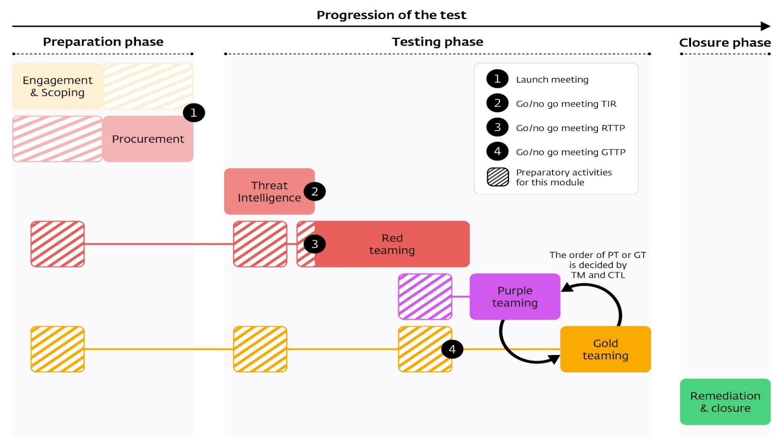
 | Code name of the test

 | Year

 | Chosen modules
 | Threat Intelligence | T1 - Basic TI

 | Red Teaming | R1 - One scenario, assumed compromise

 | Purple Teaming | P1 - PT fundamentals

 | Gold Teaming | G1 - Walkthrough

 | Phase | Completed?
 | Engagement & Scoping | No

 | Procurement | No

 | Threat Intelligence | No

 | Red Teaming | No

 | Purple Teaming | No

 | Gold Teaming | No

 | Closure | No

 | Test complete? | No

