Dashboard
TLPT and TIBER Quality Assurance Checklist for TIBER-EU

• This format for the TIBER-EU Quality Assurance Checklist is intended for use by the Control Team Lead to keep track of progress during an TIBER/TLPT test and to determine whether all required steps have been completed and deliverables are delivered and is based on the TIBER-EU framework (published 2025). • The Control Team Lead is responsible for filling out the Quality Assurance Checklist. • Disclaimer: This document can be used optionally and serves as a guiding checklist, but should not be construed as legal advice. The TIBER-EU framework and its underlying guides should always be used as reference when conducting a TIBER test.

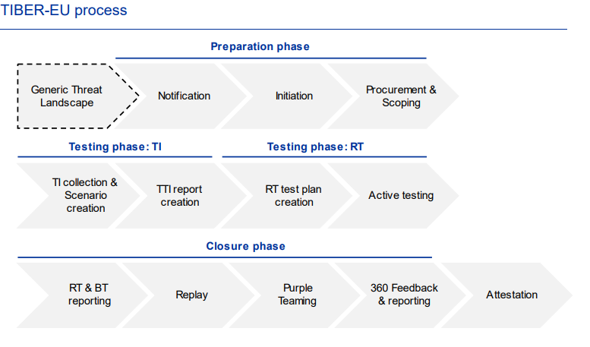
 | Code name of the test

 | Year

 | Phase | Completed?
 | Preparation | No
 | Threat Intelligence | No
 | Red Teaming | No
 | Closure | No
 | Attestation | No

 | Test complete? | No

